Sheet1
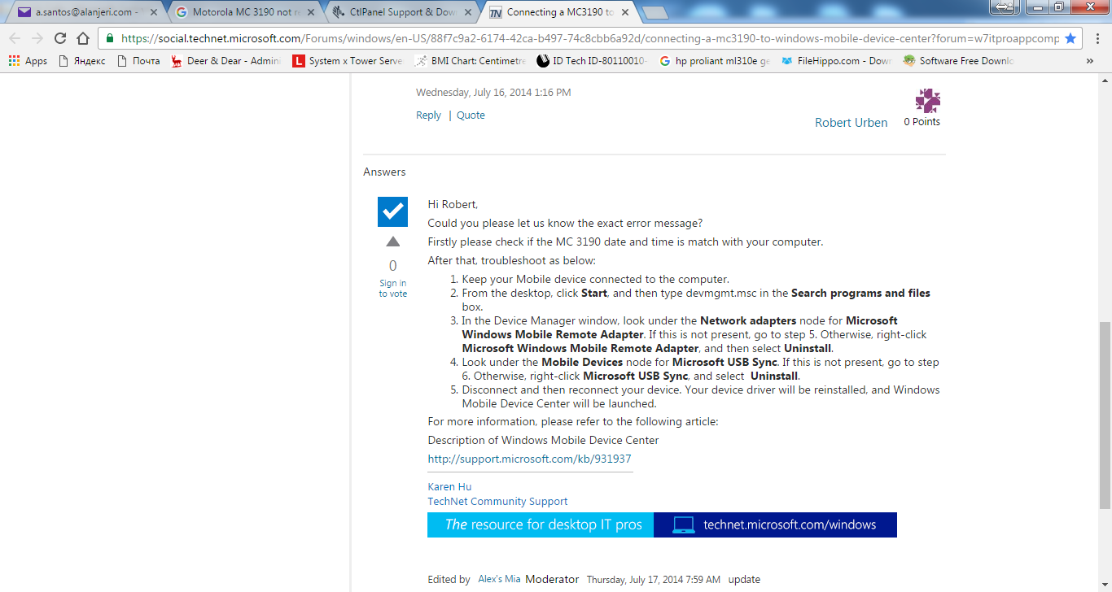
No. | Model | Data Collector Serial | Cradle Dock Kit Serial | Battery ID | Purchase Date | Amount | Location | Device Name | Program Update | Battery Change | D. Serial No. | N. Serial No. | Date Changed | Password
1 | Motorola MC 3100 | 11259521121906 |  |  |  |  | WH | WHRAIS01 | YES | YES |  |  | 8-Feb-16
2 | Motorola MC 3100 | 11262521120782 |  |  |  |  | WH | WHRAIS02 | YES | YES |  |  | 6-Dec-15
3 | Motorola MC 3100 | 11262521120899 |  |  |  |  | WH | WHRAIS03 | YES | YES |  |  | 8-Feb-16
4 | Motorola MC 3100 |  |  |  |  |  | WH | WHRDYS04 | YES
5 | Motorola MC 3100 | 13284523025221 | 13185523022714 |  | 10-Nov-13 | 373.000 | WH | WHRDYS05 | YES
6 | Motorola MC 3100 | 13284523025220 | 13185523022701 |  | 10-Nov-13 | 373.000 | WH | WHRDYS06 | YES | YES | 1005CD8D | 10193A54 | 25-Dec-16
7 | Motorola MC 3190 | 14171523021525 | 14211523023666 |  | 12-May-15 | 443.000 | DD_OLY | DDOLYS07 | YES |  |  |  |  | 123
8 | Motorola MC 3190 | 14315523020057 | 14238523021317 |  | 12-May-15 | 443.000 | DD_PH1 | DDPH1S08 | YES |  |  |  |  | 123
9 | Motorola MC 3190 | 14315523020057 | 14238523021317 |  | 12-May-15 | 443.000 | DD_PH2 | DDPH2S08 | YES |  |  |  |  | 123
10 | Motorola MC 3190 | 14315523020021 | 14238523021278 |  | 12-May-15 | 443.000 | DD_PH3 | DDPH3S09 | NO |  |  |  |  | 123
11 | Motorola MC 3190 | 14315523020381 | 14211523023653 |  | 12-May-15 | 443.000 | DD_GM | DDGMS10 | YES |  |  |  |  | 123
12 | ZEBRA MC32N(Label:SYMBOL) | 16274523021356 | 16285523023885 | PZ24AZ8249A.A0647 | 23-Jan-17 | 358.000 | KSA | DDKSAS11 | YES
13 | ZEBRA MC32N(Label:SYMBOL) | 16274523021456 | 16285523023891 | PZ24AZ8249A.A1114 | 23-Jan-17 | 358.000 | KSA | DDRYDS12 | YES
14 | ZEBRA MC32N(Label:SYMBOL) | 17174523020633 | 17225523021991 | PA09AA5131A.A1191 | 6-Dec-17 | 358.000 | DD_KOUT | DDKOUS13 | YES
15 | ZEBRA MC32N(Label:SYMBOL) | 17118523022067 | 17014523022183 | TGH314B7AA324-A1708 | 19-Nov-17 | 358.000 | IT DEPT
16 | ZEBRA MC32N(Label:SYMBOL) | 17175523021026 | 17225523022327 | PA09AA5131A.A0770 | 6-Dec-17 | 358.000 | IT DEPT

